1. Title Page
Instacart Basket Analysis Report

Project Name: Instacart Analysis Project
Date: December 13, 2023
Analyst Name: Gabriel Pollicar

Contents: | _________
Population Flow | Page 2
Consistency checks | Page 3
Wrangling steps | Page 4
Column derivations | Page 5
Visualizations | Page 6
Recommendations | Page 7

Data Citations
“The Instacart Online Grocery Shopping Dataset 2017”, Accessed from www.instacart.com/datasets/grocery-shopping-2017 via Kaggle on [December, 8, 2023].

2. Population Flow
 | Title page

Population flow

Exclusion flag
Condition: max_order < 5
Obervations to be removed: 1,440,295
Final total count of order_products_all: 30964564

Orders_products_combined
Orders_products_merged
Orders_products_all

Total: 32434489
Total: 32404859
Total:
30,964,564

1.) The grey boxes in the first row of the population flow represent the original data sets as they were when you downloaded them. In the Total fields you need to add the count of the rows when you imported the data set into Jupyter.
2.) The second row of boxes (coloured) represents the data sets after you manipulated them, e.g., removed missing values and duplicates. In the Total fields you need to add the count of the rows after conducting these operations. This offers a visual oveview of how the data flows throughout the data consistency checks.
3.) The third row, where also the arrows are coloured, represents the merges you performed between the datasets. In the Total fields you need to add the count of the rows in the merged datasets, so that you end up with the final dataset (in the red box). Keep in mind the final dataset should be without exclusions (based on the exclusion flag).

3. Consistency checks
 |  |  |  | Title page
Consistency checks

Dataset | Missing values | Missing values treatment | Duplicates
orders | 206,209 missing values in 'days_since_prior_order' column | Values were not imputed or rows deleted from dataset. After investigation, these NaN values represented customers | No duplicate entries found, No duplicate indexes found
products | 16 missing values in 'product_name' column - removed from dataset | 21 removed from dataset | 5 duplicate entries found with exact match - Removed from dataset No duplicate indexes found
orders_products_prior | No Missing Values | None Taken | No duplicate entries found, No duplicate indexes found
customers | 11,259 missing values in 'first_name' column | No change was made, column was dropped to ensure personal identifying information was secure | No duplicate entries found, No duplicate indexes found
orders_products_combined | No Missing Values | 34767 rows removed during merging with df_ords | no duplicates found
Orders_products_merged | No missing values | 1440295 rows removed for being considered inactive | no duplicates found

4. Wrangling steps
 |  |  |  | Title page
Wrangling steps

Columns dropped | Columns renamed | Columns' type changed | Comment/Reason
eval_set from Orders dataset |  |  | Not needed for analysis
 | order_dow from orders dataset renamed to 'orders_day_of_week'
First Name | First Name |  | mispelled, dropped to secure Personal Identifying Information, Also not needed for analysis
Surname | Surnam |  | mispelled, dropped to secure Personal Identifying Information, Also not needed for analysis
 | STATE changed to State |  | miscapitalization
_merge |  |  | Not necessary in the analysis, only used to check success of merge
 | order_hour_of_day |  | Changed to order_time(hour)

5. Column derivations
 |  |  |  | Title page

Column derivations and aggregations

In this tab you should add tables below that the frequences of flags/label variables that you produced after deriving them. NB: don't do this for continuous variables, only for flags.
Dataset | New column | Column/s it was derived from | Conditions
ords_prods_cust_Active From 4.10 Part 1 | max_order | user_id, clients_order_number | max_order = maximum number in clients_order_number grouped by user_id
 | loyalty_flag | max_order.value_count() for each customer_id | New Customer - max_order < 10 New customers Regular Customers - max_order <= 40 to >10 Loyal Customer - max_order > 40 orders
 | spending_flag | 'user_id' grouped to determine each 'prices' | Average price per order = 'Average_Spent' per User_id High spender - Average_Spent >= 10 Low Spender - Average_Spent < 10
 | order_frequency_flag | days_since_prior_order' based on each user_id | Non-frequent customers - days_since_prior_order > 20 days regular Customer - days_since_prior_order <=20 & days_since_prior_order > 10 days Frequent customer - days_since_prior_order <= 10 days
ords_prods_cust Final Dataset from 4.10 Part 1 and 2 | Region | State | South, Northeast, Midwest, Northwest based on state placement determined by external data
 | Profile | fam_status, Age groupby(user_id) | Young - Age < 40 - Used to create profil based on fam_status 'Young and Married' Young and Single' 'Young and Divorced' 'Young and Dependent' Old - Age > 40 Used to create profiles based on family status: 'Old and Married' Old and Single' 'Old and Divorced' 'Old and Dependent'
 | Income_Group | income | ['income'] < 60000 = 'Low Income' ['income'] >= 60000) & ['income'] <= 120000 = 'Middle Income' ['income'] > 120000 = 'High Income'
 | dependants_group | n_dependents | ['n_dependants'] == 0, = 'No dependants' ['n_dependants'] > 0 = 'Has dependants'

6. Visualizations
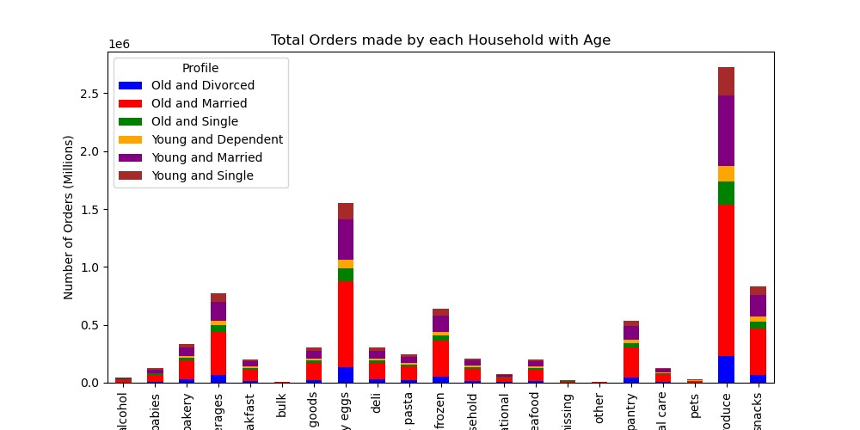
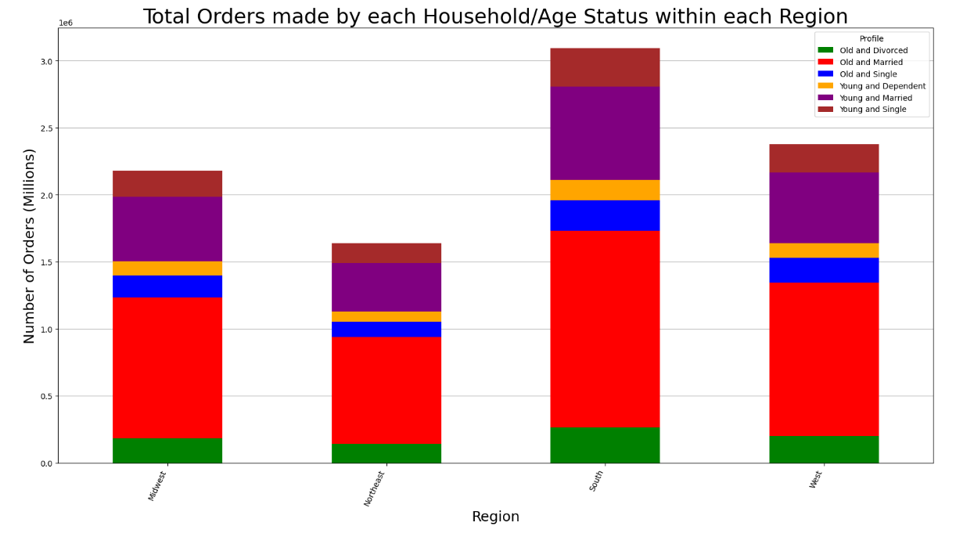
 |  |  |  |  | Title page

Visualisations

In this tab you should include all the visualtions from Exercises 4.9 and 4.10, alongside the questions from the project brief that they answer. Include any commentary on the relationship between different variables.

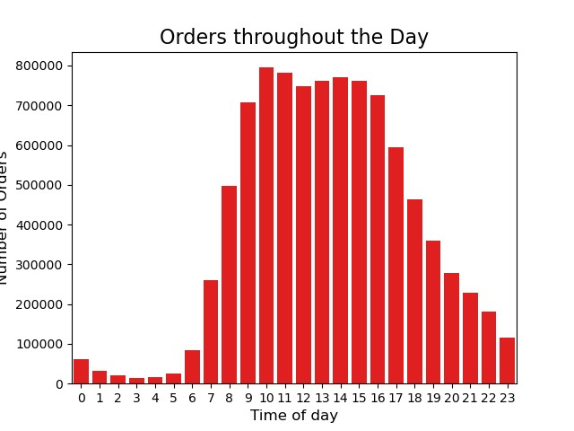
Key Question |  | Visualizations |  |  |  |  |  | Aggregates
Key Question 1 | The sales team needs to know what the busiest days of the week and hours of the day are (i.e., the days and times with the most orders) in order to schedule ads at times when there are fewer orders. | 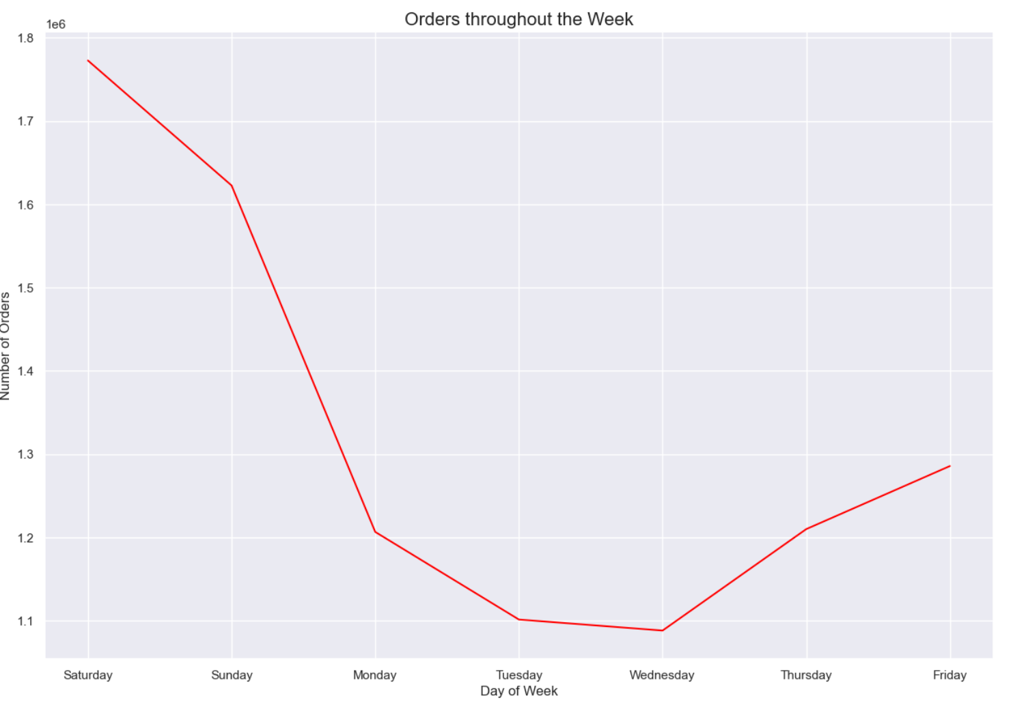 | 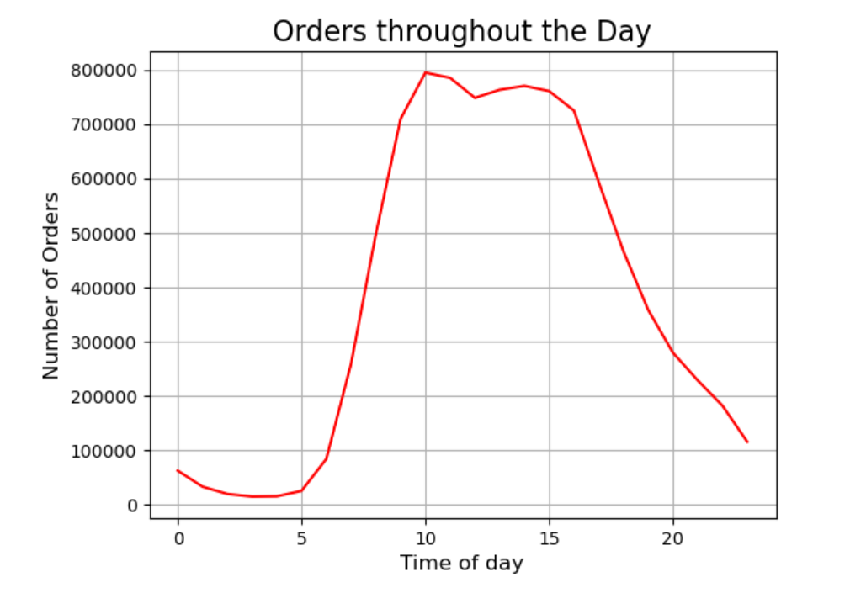
Key Question 2 | They also want to know whether there are particular times of the day when people spend the most money, as this might inform the type of products they advertise at these times | 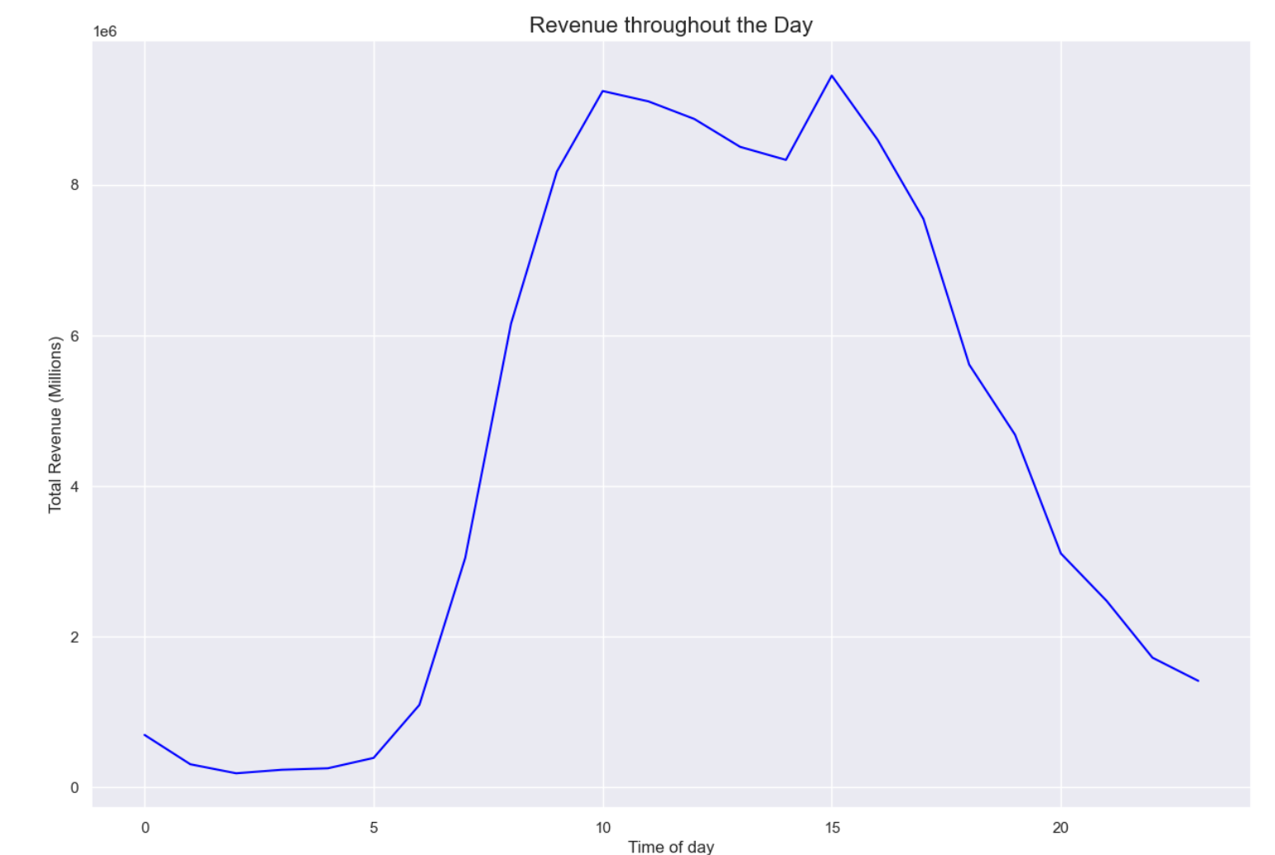 |  | 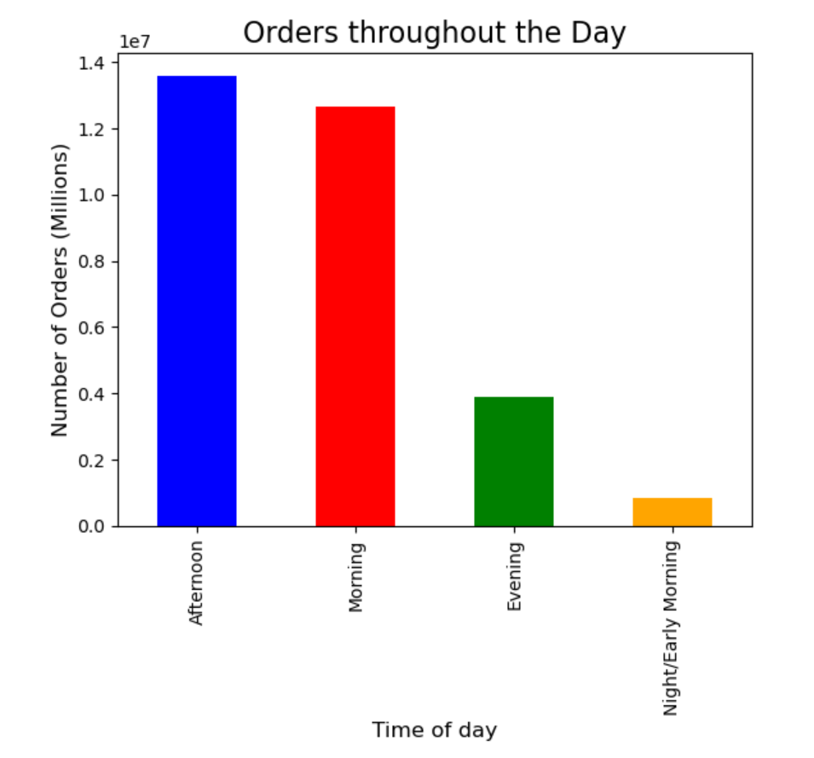
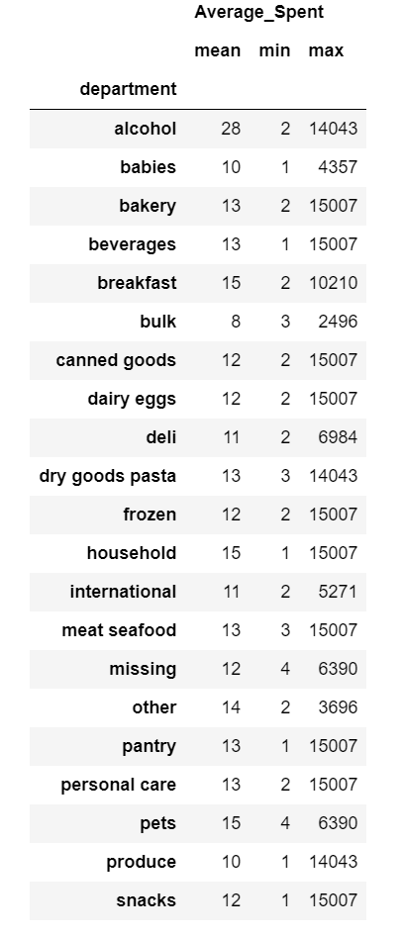
Key Question 3 | Instacart has a lot of products with different price tags. Marketing and sales want to use simpler price range groupings to help direct their efforts | 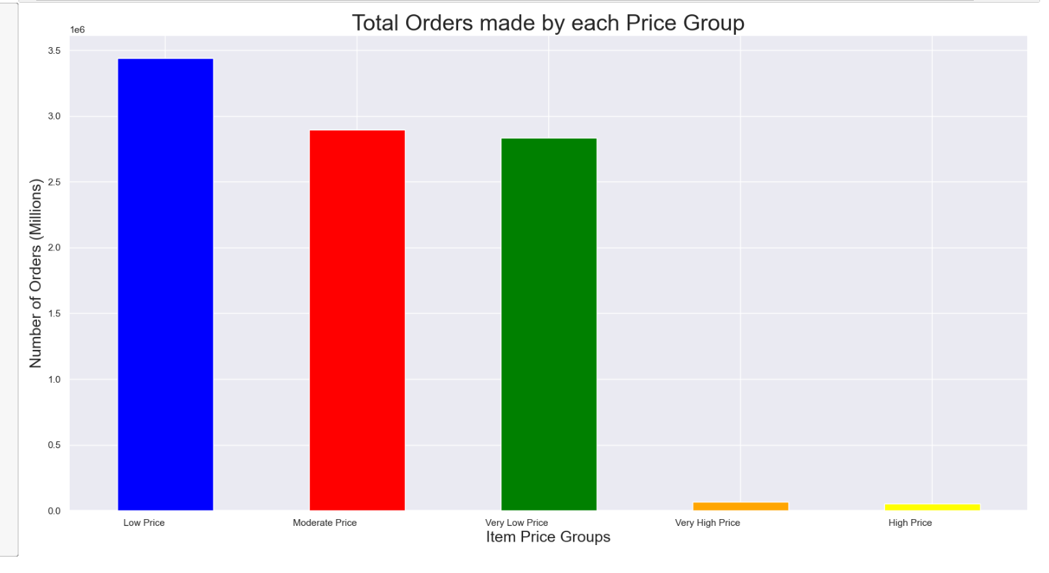
Key Question 4 | Are there certain types of products that are more popular than others? The marketing and sales teams want to know which departments have the highest frequency of product orders. | 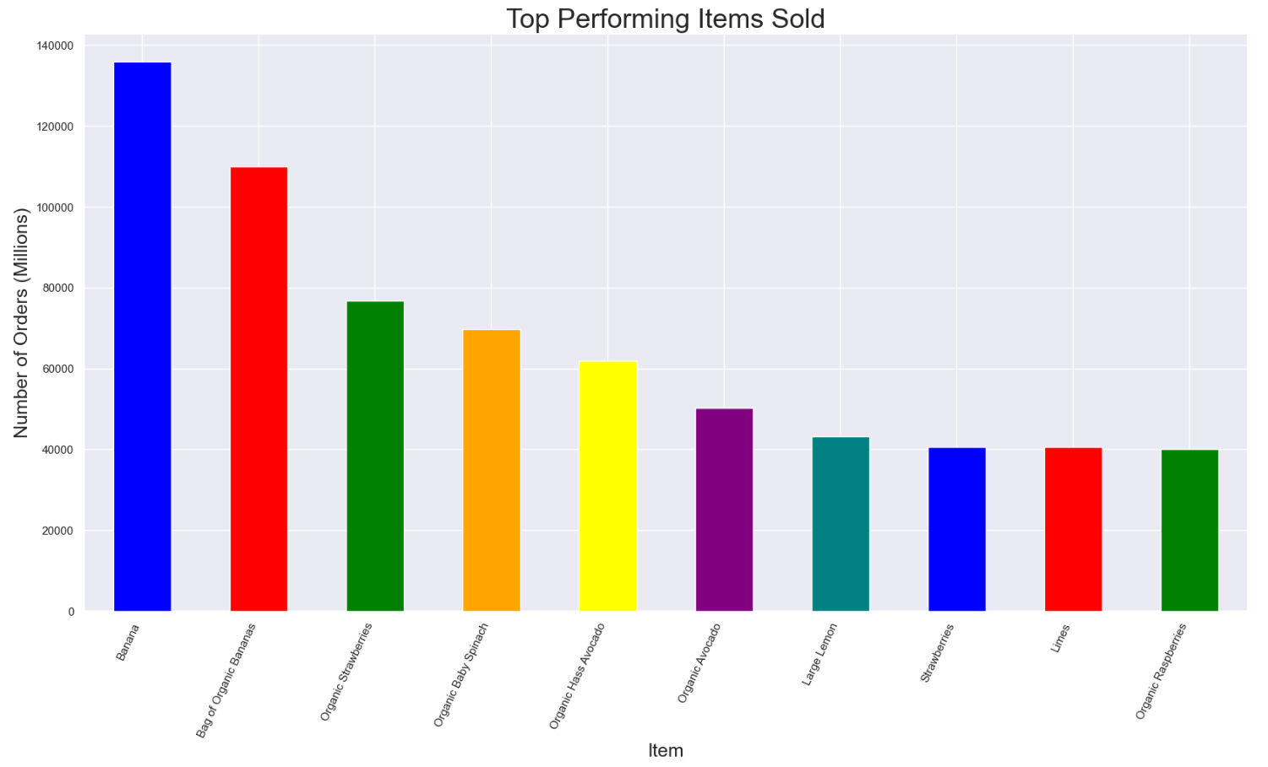
Key Question 5 | Are there differences in ordering habits based on a customer’s loyalty status? | 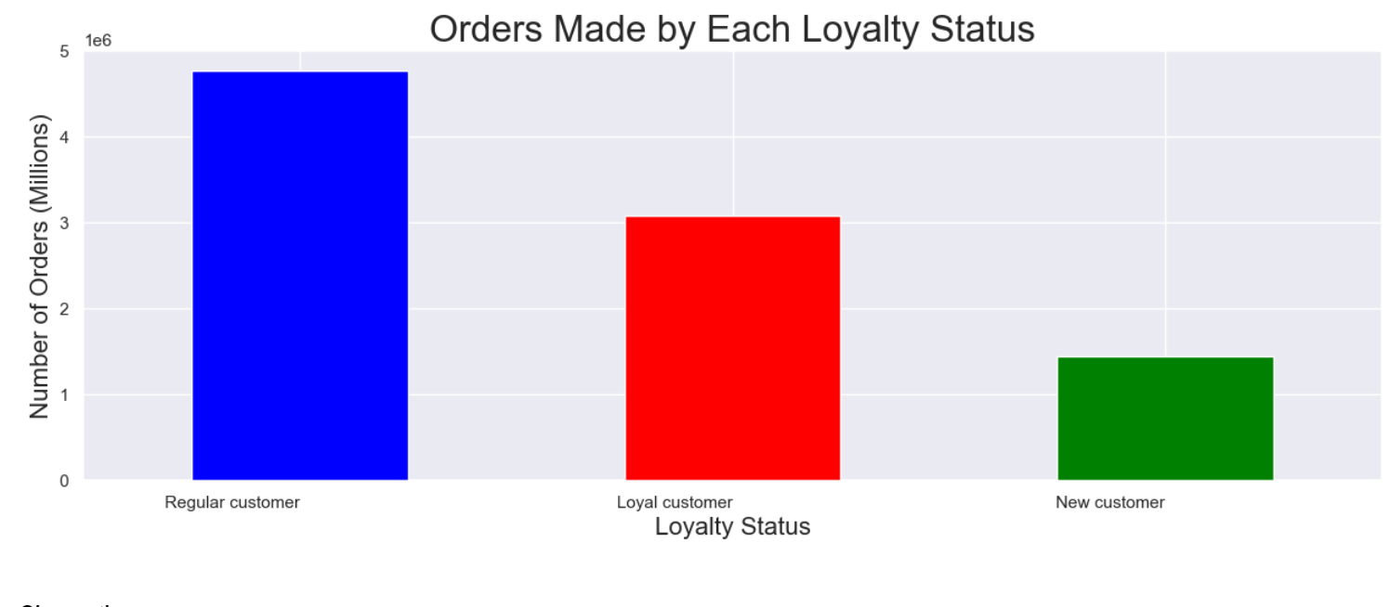 | 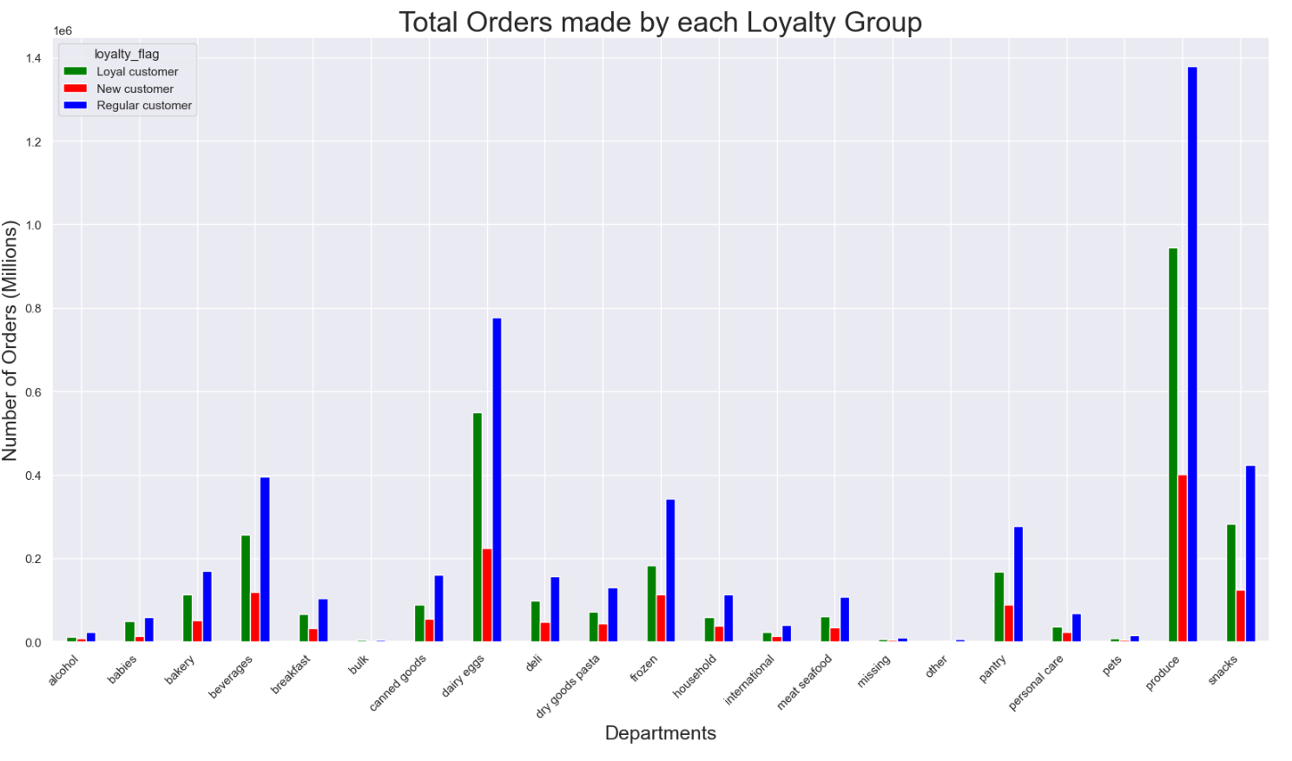 |  |  | 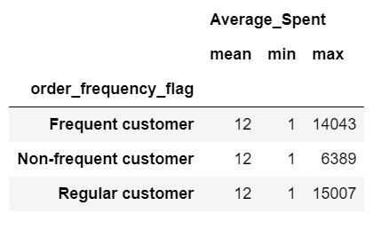
Key Question 6 | Are there differences in ordering habits based on a customer’s region? | 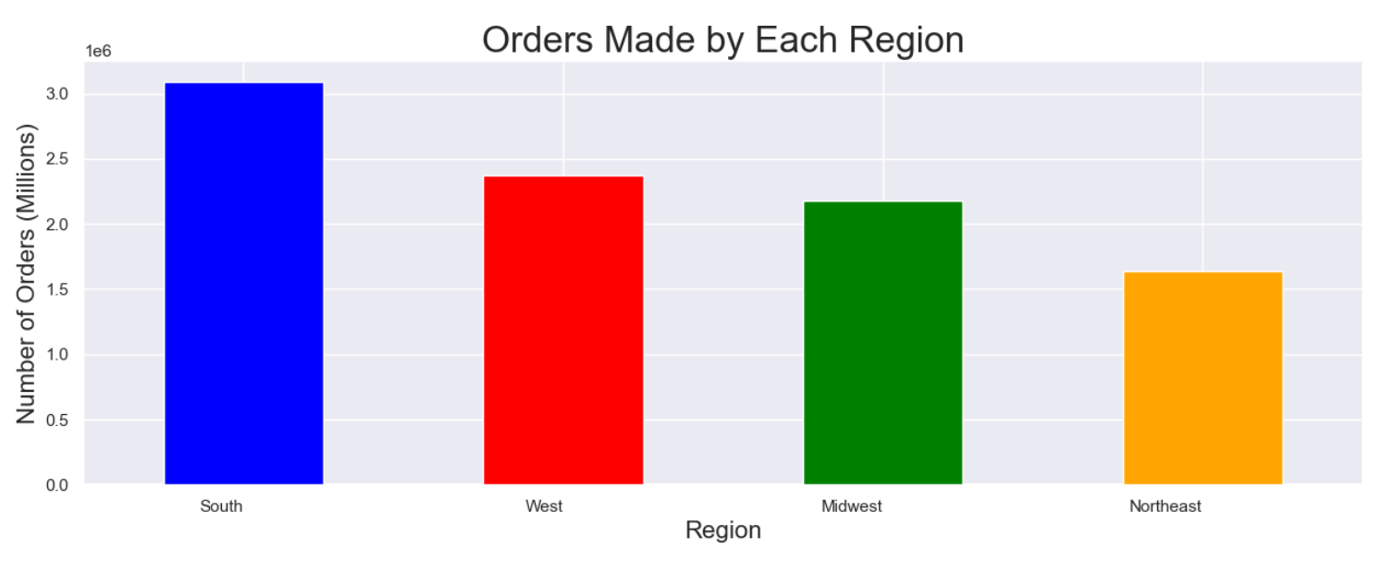 | 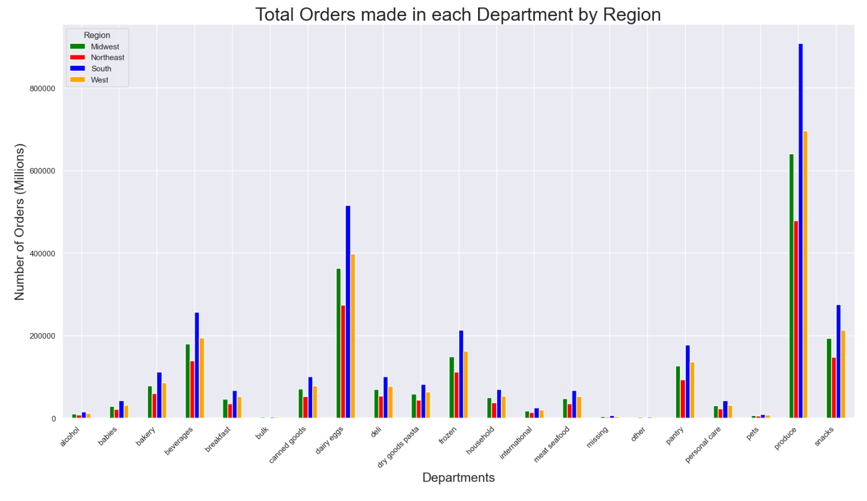 |  |  |  | 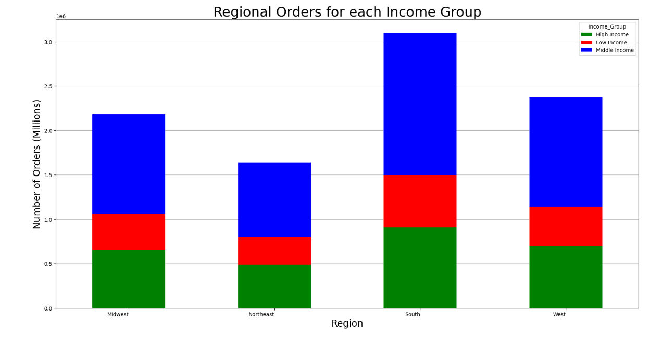 |  | 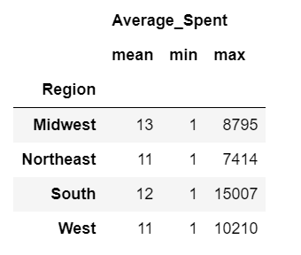
Key Question 7 | What differences can you find in the ordering habits of different customer profiles? | 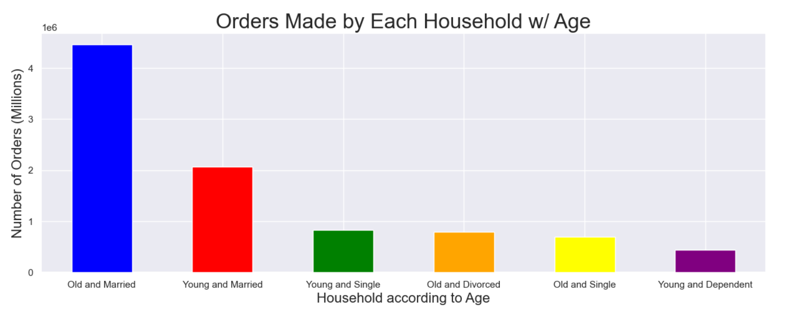 | 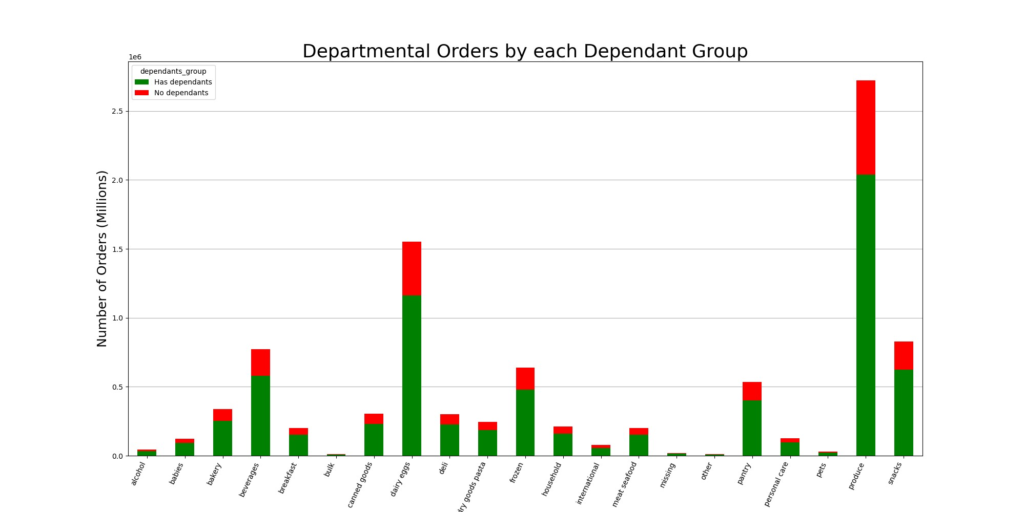 |  |  |  |  | 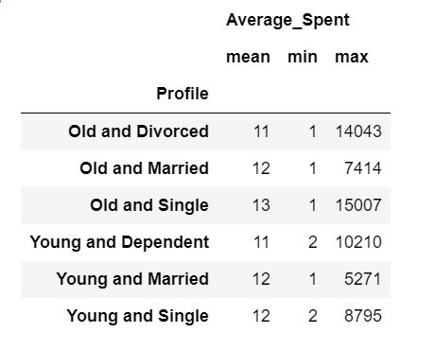

7. Recommendations
 |  |  | Title page

Recommendations

In this tab you should include any recommendations you would made to Instcart in terms of their marketing strategy based on the questions posed in the brief. Every key question has been covered in the Tasks of the Exercises - here you need to add an item - a visualisation or table/crosstable that is showing the answer in the data, acompanied by a comment from you. Please, list the questions below and add the answer underneath.

Key Question | Column1 | Answer
Key Question 1 | The sales team needs to know what the busiest days of the week and hours of the day are (i.e., the days and times with the most orders) in order to schedule ads at times when there are fewer orders. | It seems that the 10am is the highest peak of orders according to the subset. The amount of orders for each hour remain high until 3pm where most orders drop off. The lowest amount of orders is in the early morning around 4am which would be expected. It seems that the Saturday is the day of the week with the highest amount of orders. This decreases throughout the week, with the lowest amount of orders on Wednesday. The amount of orders increases from there to Friday. I would recommend targeting marketing strategies to the most busiest of times during 10am to 3pm, and to maximize marketing and sales efforts for weekend shoppers. The best days of the week to improve low sales would be Tuesday and Wednesday.
Key Question 2 | They also want to know whether there are particular times of the day when people spend the most money, as this might inform the type of products they advertise at these times | It seems that the 10am and 3pm are the highest peak of revenue according to the subset. This is similar to the amount of orders analysis where the peak of ordering is between 10am and 3pm therefore, it would be logical to expect that these would be the same times for peak spending. Times for lowest spending also correlates with times with lowest amount of orders. I would recommend implementing a marketing strategy based on the fact that most people use instacart during 10am and 3pm. It seems most instacart shoppers are most active and are willing to place more orders, and spend more money during these peak times. I would also recommend not implementing marketing or sales during low hours of usage such as midnight to 6am.
Key Question 3 | Instacart has a lot of products with different price tags. Marketing and sales want to use simpler price range groupings to help direct their efforts | It seems that the majority of orders were made for items in the lower price groups. Items in the moderate price groups ($10-$15) and very low price groups ($1-$5) had equal share in number of orders. The lowest number of purchases were for items in the very high and high price range, items costing more than $15. I would recommend altering the marketing strategy to focus on Low Price items. These items have shown to draw the most orders. High ticket items that cost more than $15 dollars show almost no sales compared to items costing less. Instacart should focus offering items priced within $1-$15 dollar price range.
Key Question 4 | Are there certain types of products that are more popular than others? The marketing and sales teams want to know which departments have the highest frequency of product orders. | It seems that the bananas is the most popular product sold, with organic bananas as the next most popular. Furthermore, all of the top 10 items are foods mainly fruits and vegetables. Both organic and inorganic versions of each produce show up in the top rankings as well. This follows with observations made with amount of orders based on price and department. Produce and low price items such as bananas would be the most popular. Instacart marketing strategy would benefit from considering the trends of their top 10 sold products. They should focus on marketing produce items along with their organic counterparts. Fruits such as Bananas, strawberries, and Lemons would attract the most potential buyers.
Key Question 5 | Are there differences in ordering habits based on a customer’s loyalty status? | It seems that the Regular Customers are the ones making the most orders. This is expected because regular customers are the majority of customers in the dataset so they would be making the most orders. It seems that the each loyalty group follows the general trend of orders. The most orders is with produce, dairy eggs, and beverages which follows the trend for overall orders by department. Furthermore, for each department, loyalty groups follow their general pattern with the regular customers making the majority of orders followed by loyal customers then new customers. Instacart could take advantage by offering loyalty programs to regular customers which can help benefit revenue per customer.
Key Question 6 | Are there differences in ordering habits based on a customer’s region? | It seems that the Southern Region has the most amount of orders followed by the West, Midwest and Northeast regions. The northeast region generates the least amount of orders. Furthermore, this pattern exists throughout all department products. The South has the majority of orders in all department sections. The marketing team can benefit by focusing on Southern customers and offering more products that they like. If they want to increase customers in the most needed region, I would focus on Northeastern region with middle class customers.
Key Question 7 | What differences can you find in the ordering habits of different customer profiles? | Customer profiles of household status with specific ages shows that the most active shopper and shopper that generates the most revenue are older and married customer groups. These groups are older than 40 and are married. The lowest customer profile group that brings the least amount of sales and revenue are customers that are both young and dependent. This makes sense since dependents have less income and less need. The marketing strategy would be to target older generations (40 years and older) who have dependents and are married by focusing on products that they might purchase. Additionally, both young and old married groups are the top two most revenue generating customer profiles. Therefore, focusing on items popular to married people regardless of age could also be a viable marketing strategy.

